1. Why scaling

Why Scaling
Most of the times, your dataset will contain features highly varying in magnitudes, units and range. But since, most of the machine learning algorithms use Eucledian distance between two data points in their computations, this is a problem.
If left alone, these algorithms only take in the magnitude of features neglecting the units. The results would vary greatly between different units, 5kg and 5000gms. The features with high magnitudes will weigh in a lot more in the distance calculations than features with low magnitudes.
To supress this effect, we need to bring all features to the same level of magnitudes. This can be acheived by scaling.

2. Eucledian Distance
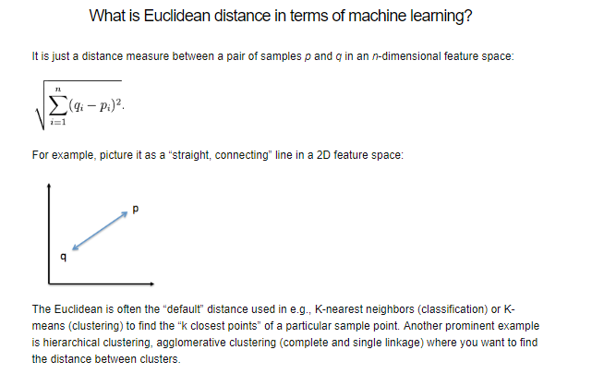

3. Methods for Scaling
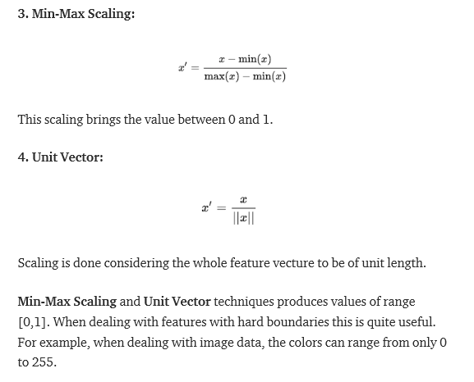
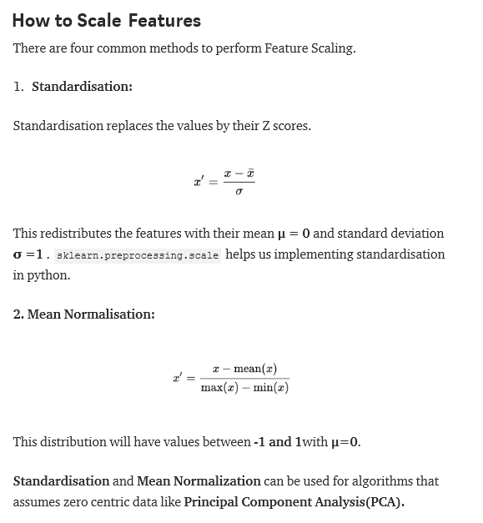

The standardisation would yield any value between -3 and +3

4. When to scale
When to Scale
Rule of thumb I follow here is any algorithm that computes distance or assumes normality, scale your features!!!
Some examples of algorithms where feature scaling matters are:
k-nearest neighbors with an Euclidean distance measure is sensitive to magnitudes and hence should be scaled for all features to weigh in equally.
Scaling is critical, while performing Principal Component Analysis(PCA). PCA tries to get the features with maximum variance and the variance is high for high magnitude features. This skews the PCA towards high magnitude features.
We can speed up gradient descent by scaling. This is because θ will descend quickly on small ranges and slowly on large ranges, and so will oscillate inefficiently down to the optimum when the variables are very uneven.
Tree based models are not distance based models and can handle varying ranges of features. Hence, Scaling is not required while modelling trees.
Algorithms like Linear Discriminant Analysis(LDA), Naive Bayes are by design equipped to handle this and gives weights to the features accordingly. Performing a features scaling in these algorithms may not have much effect.
Hope you understood the why, how and when of feature scaling.

